Toto
Wang Chun Trading Sdn Bhd
144-F, Jalan Anson, 10400 Penang, Malaysia.
Tel:04-2294984 / 2291079 / 2297813 Fax:04-2291322 Email:wctbath@gmail.com

Quotation

VST Group of Company |  |  |  |  | 8th May 2005
Wisma VST |  |  |  |  | WCT/2522/05/15
No. 37, Jalan Anson
10400 Penang
Tel : 04-2264087 Fax : 04- 2278127

Attn : Mr. Ooi Kin Fen ( Ext : 327 ) ( 012-4212282 )
Email : ooikf@vstgroup.com.my

Re: Quotation for supply only.
Thank you for your enquiry, we are pleased to quote for your kind consideration.

Item | Description | Qty | U/rate | Amount (RM) | Picture
 | TOTO
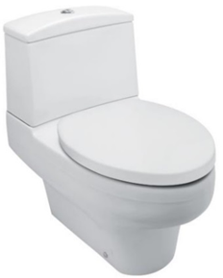
1 | Toto CW826JWS/SW826JP Vision | 1 | 1,329.00 | 1,329.00
 | Tornado II Single Flush (6L) Water
 | Closet in S-Trap (305mm)
 | c/w TX276C Support Fittings,
 | SW826JP Vision Cistern with TX826C1WS
 | Single Flush (6L) Tank Trim,
 | T53P100S Floor Flange with Seal Gasket,
 | T53DV5 Floor Screws &
 | TC283SJ Duraplast Elongated Soft Close
 | Seat & Cover.
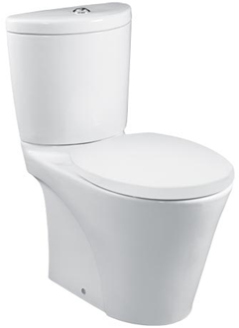
2 | Toto CW821J/SW821JP Avante Single | 1 | 1,080.00 | 1,080.00
 | Flush (6L) Close Coupled Water Closet
 | In S-Trap (220mm)
 | c/w SW821JP Cistern with TX821C1WS
 | Single Flush Tank Trim,
 | TX276C Support Fittings,
 | TX215C Outlet Connector &
 | TC364PPSN Soft Close Seat & Cover with
 | Plastic Hinges & Top Fixing S.S Screws

3 | Toto LW240CJ Wall Hung Basin | 1 | 143.00 | 143.00
 | With 1 Tap Hole and Overflow Hole
 | Size : 500 x 350mm
 | c/w TX801L Fixing Bolt

4 | Toto LW640CJ Wall Hung Basin | 1 | 380.00 | 380.00
 | With 1 Tap Hole and Overflow Hole
 | Size : 505 x 505mm
 | c/w TX801L Fixing Bolt

5 | Toto LW643J Rectangular Console | 1 | 345.00 | 345.00
 | Basin With Overflow Hole
 | Size : 585 x 385 x 100mm
 | c/w TX809LV5 Support fittings

 | NOTE : quantity more than 800

Terms & Condition
Validity : 30 days
Delivery : Ex-stock subject to prior sales. Otherwise delivery takes approx. 12-14 weeks
upon confirmation of order and subject to factory reconfirmation.
Price will be subject to 6% GST in accordance to Government ruling.

Note: * Any parts /accessories not mentioned herein are deemed not included in our prices.

Trust the above meets your requirement and please do not hesitate to contact us for further queries.
Thank You.

Yours faithfully,
WANG CHUN TRADING SDN BHD
Shelrine

Shelrine Lim
(Director)
Sales Person : Claire 019-5701513

Duravit
Item | Description | Qty | U/rate | Amount (RM) | Picture
 | DURAVIT
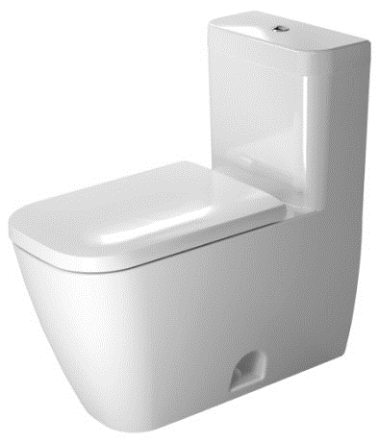
1 | Duravit 2121010000 Happy D2 One Piece | 1 |  | 0
 | Single Flush Elongated Water Closet
 | in S-Trap ( 305mm )
 | 0064690000 Soft Close Elongated Toilet
 | Seat And Cover with Hinges

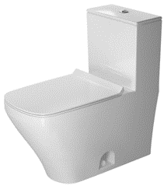

2 | Duravit 2157010000 DuraStyle One Piece | 1 |  | 0
 | Dual Flush Elongated with Syphonic Jet
 | Action Water Closet in S-Trap (305mm)
 | Dual Flush Cistern &
 | 0060590000 Soft Close Elongated Toilet
 | Seat And Cover with l Hinges

3 | Duravit 2310650002 D-Code Wall Hung | 1 |  | 0
 | Washbasin With Overflow & Tap Hole
 | Size : 650 x 500 x 150mm
 | c/w Fixing

4 | Duravit 2319650000 DuraStyle Wall Hung | 1 |  | 0
 | Washbasin With Overflow & Tap Hole
 | Size : 650 x 440 x 170mm
 | c/w Fixing & 085830000 Half Pedestal

 | NOTE : quantity more than 800

