SA-Kampung Villa
BILL NO. 3 - KAMPUNG VILLA SANITARY APPLIANCES AND TAP FITTINGS (SUPPLY AND DELIVER)

Item | Code | Image | Brand | Description | Unit
 |  |  |  |  |  |  |  | Hansgrohe
 |  |  |  |  |  | Total |  | Image | Description | Unit Price | Total
A | KVS07 | 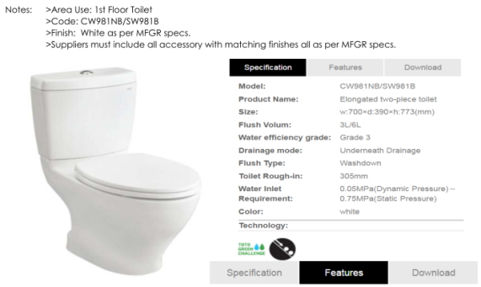 | Kohler | Approved and equivalent type of washdown elongated two-piece toilet water closet overall size 700mm (w) x 390mm (d) x 773mm (h) complete with water saving and environment-friendly flush mode of switchable 3/6L water volume and including all necessary accessories etc (KVS-07) | No | 3 |  | 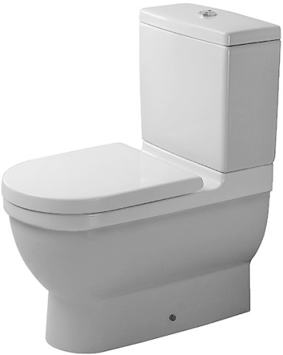 | Duravit Water Closet 012809/092010 Product Name: Elongated two-piece toilet Size: w655xd360xh795 mm. Flush Volum: 3L/6L Drainage mode: P Trap/S Trap Flush type: Washdown Toilet Rough-in: S Trap 70-170mm / P Trap 180mm Color: white |  | 1,890.00
B | KVS17 KVS17.1 | 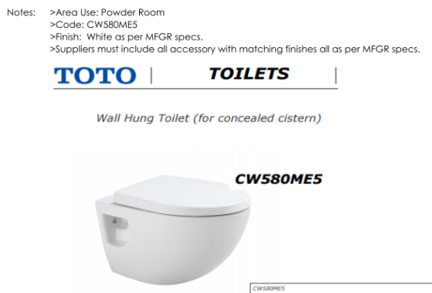 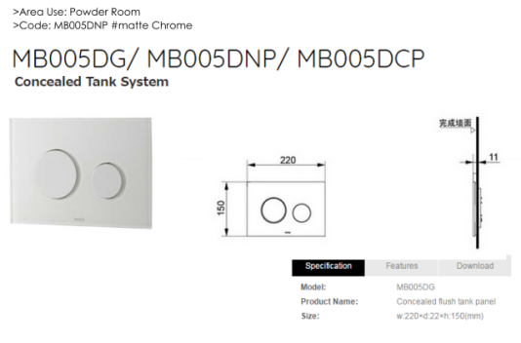 | TOTO | Approved and equivalent type of washdown wall hung toilet waster closet in white with dual flush system 6L/3L overall size 354mm (W) x 520mm (D) x 348mm (H) complete with concealed tank system including concealed flush tank panel size 220mm (W) x 22mm (D) x 150mm (H) and concealed flushing system and including all necessary accessories etc (KVS-17 & KVS-17.1) | No | 2 |  |  | Duravit #222609 wall c.w soft close c.w Geberit Alpha Duo fix |  | 2,050.00
C | KVS01.1 | 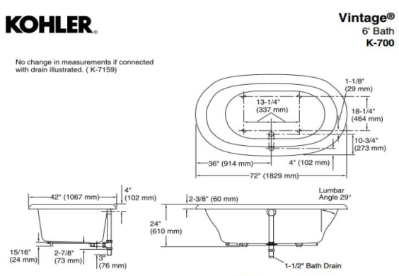 | Kohler | Approved and equivalent type of freestanding bath tub with central drain and integral lumbar support overall size 72" (1829mm) x 42" (1067mm) x 21-3/16" (538mm); 24" in height with base complete with cast iron with safeguard finish and including all necessary accessories etc (KVS-01.1) | No | 2 |  |  |  |  | 0.00
D | KVS01.2 | 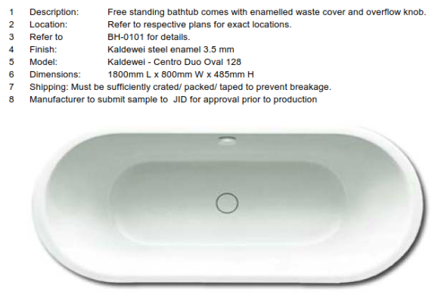 | Kaldewei | Approved and equivalent type of freestanding bath tub comes with enamelled waste cover and overflow knob overall size 1800mm (L) x 800mm (W) x 485mm (H) in approved steel enamel 3.5mm finish including all necessary accessories etc (KVS-01.2) - OPTIONAL | No | 2 |  | As per Spec | 18,500.00 |  | 14,500.00
E | KVS03 KVS03.1 KVS03.2 | 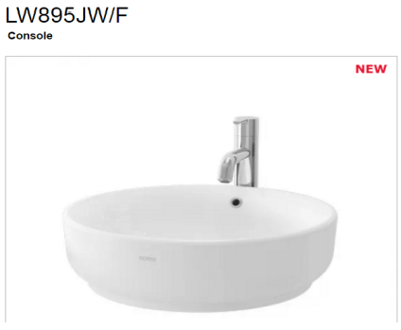 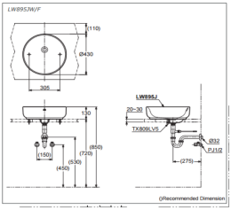 | TOTO | Approved and equivalent type of ceramic wash basin in white colour overall size 430mm diameter x 130mm (H) including solid brass construction P-trap in chrome finish, 13" long, 1-1/4" extension pipe in chrome including all necessary accessories etc (KVS-03.1 & KVS-03.2) | No | 6 |  |  | DURAVIT Wash Basin #044546 Counter Top Basin size: dia 460 x H 145 mm. Material: ceramic Color: white |  | 680.00
F | KVS16 | 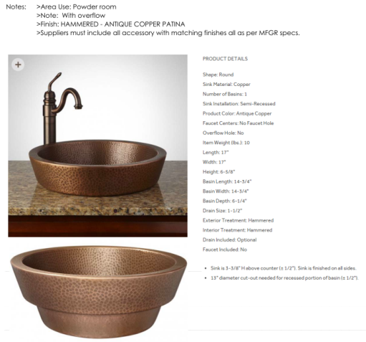 |  | Approved and equivalent type of semi-recessed copper basin in hammered-antique copper patina finish overall size 17" diameter x 6-5/8" height including all necessary accessories etc (KVS-16) | No | 2
G | KVS02 | 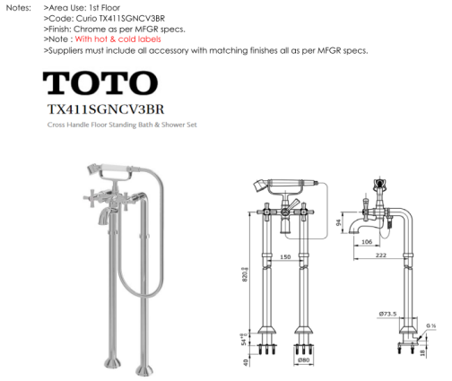 | TOTO | Approved and equivalent type of cross handle floor standing bath and shower set in chrome finish including all necessary accessories etc (KVS-02) | No | 2 | a) 16553000 b) 16549180 | 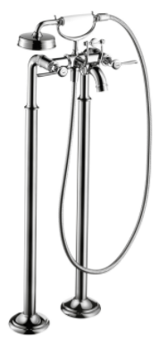 | 2-handle bath mixer floor-standing with lever handles (16553000) ïï with escutcheons ïï connection type: basic set ïï normal spray ïï flow rate: 22 l/ min ïï ceramic valves hot/ cold 90° ïï temperature limitation not adjustable ïï non-return valve ïï integrated shower support ïï suitable for continous flow water heaters ïï connection dimension: DN15 consisting of: ïï AXOR Montreux 1jet hand shower (no.16320XXX) ïï Metal shower hose 1.25 m (no.28112XXX) Basic Set (16549180) |  | 11,580.00
H | KVS11 | 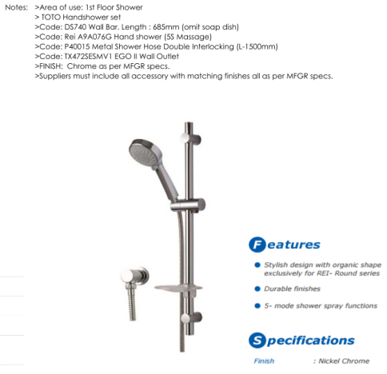 | TOTO | Approved and equivalent type of hand shower set in nickel chrome finish complete with wall bar length 685mm, 5 mode shower spray functions hand shower, metal shower hose double interlocking in 1500mm length including wall outlet and all necessary accessories etc (KVS-11) | No | 3 | a) 27841000 b) 16884000 |  | Raindance Classic 100 Air 3jet hand shower/ Unica’Classic wall bar 0.90 m set (27841000) ïï spray type: RainAir, WhirlAir, BalanceAir ïï spray type adjustment by turning spray disc ïï shower head size: 119 mm ïï pivot connectors prevent hose from tangling ïï 90° position adjustable slider, pivots left and right, up and down ïï maximum flow rate (at 0.3 MPa): 17 l/ min ïï chrome-plated wall supports of plastic consisting of: ïï Raindance Classic 100 Air 3jet hand shower (no.28548XXX) ïï Unica’Classic Wall Bar 0.90 m (no.27616XXX) ïï Sensoflex metal shower hose 1.60 m Fixfit Classic wall outlet with non-return valve (16884000) ïï metal connection angle ïï with non-return valve | 990.00 | 2,970.00
I | KVS12 | 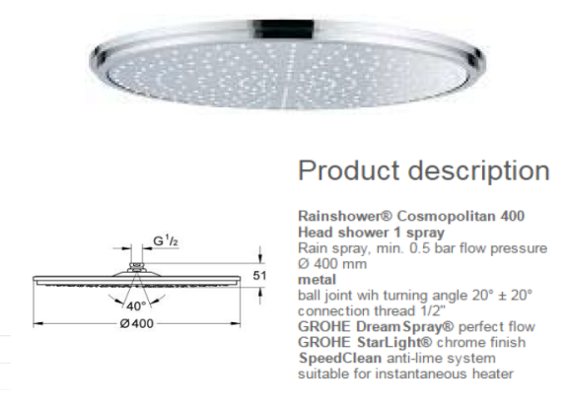 | Grohe | Approved and equivalent type of 400mm diameter round rain shower head in chrome finish with metal ball joint with turning angle 20⁰ + 20⁰ commenction thread 1/2", shower arm including all necessary accessories etc (KVS-12) | No | 3 | 27405000 |  | Raindance Classic 240 Air 1jet overhead shower with shower arm 390 mm ïï shower head size: 240 mm ïï shower arm length: 390 mm ïï spray type: RainAir ïï flow rate RainAir spray (at 0.3 MPa): 19 l/ min ïï fully chrome-plated spray disc ïï material spray disc: metal ïï installation type: wall ïï connection thread G ½ ïï connection dimension: DN15 |  | 1,990.00
J | KVS13 | 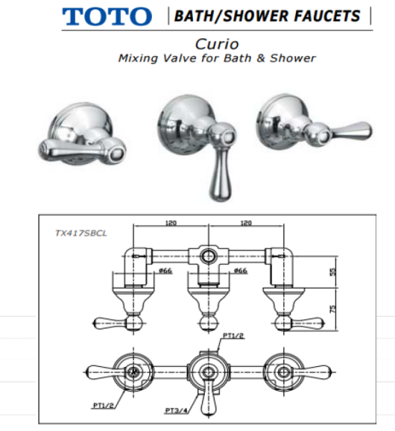 | TOTO | Approved and equivalent type of shower mixing valve in chrome finish with hot and cold labels complete with diverter including all necessary accessories etc (KVS-13) | No | 3 | a) 16821000 b) 01800180 |  | AXOR Montreux Thermostatic mixer for concealed installation with shut-off/ diverter valve and lever handle (16821000) connection type: basic set operating pressure: min. 0.1 MPa/max. 1.0 Mpa ceramic cartridge temperature limitation adjustable with silencer Basic Set (01800180) I-box Universal | 2,825.00 | 8,475.00
K | KVS04 | 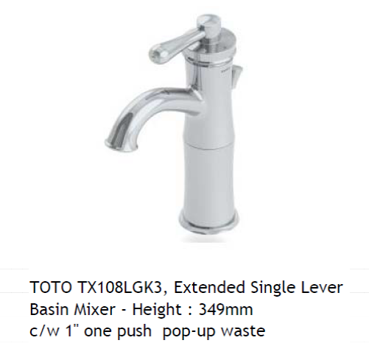 | TOTO | Approved and equivalent type of extended single lever basin faucet (349mm height ) in chrome finish with hot and cold lables complete with 1" one push pop-up waste including all necessary accessories etc (KVS-04) | No | 8 | 16517000 |  | AXOR Montreux Single lever basin mixer 210 with pop-up waste set ïï ComfortZone 210 ïï projection 175 mm ïï laminar spray ïï flow rate: 5 l/ min ïï ceramic cartridge ïï temperature limitation adjustable ïï pop-up waste set G 1¼ ïï suitable for continuous flow water heaters ïï swivel range 120° ïï connection dimension: DN15 | 1,420.00 | 11,360.00
L | KVS10 |  | TOTO | Approved and equivalent type of hand bidet set complete with angle valve with double interlocking metal flexible hose in polished chrome finish including all necessary accessories etc (KVS-10) | No | 5 | a) 32129000 b) 13903000 |  | Bidette 1jet hand shower/ Porter’S shower holder set with pressure shower hose 1.25 m (32129000) ïï with non-return valve ïï maximum flow rate (at 0.3 MPa): 6 l/ min Angle valve E (13903000) ïï connection dimension wall G ½ ïï connection dimension outlet G ½ ïï 1 piece ïï material: brass | 220+45 | #VALUE!
M | KVS08 | 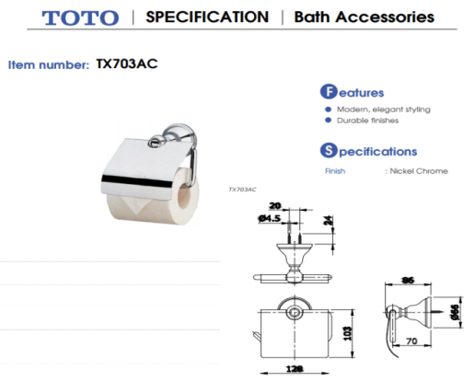 | TOTO | Approved and equivalent type of toilet tissue holder in nickel chrome finish including all necessary accessories etc (KVS-08) | No | 5 | 41723007 |  | Logis Universal Roll holder with cover | 135.00 | 675.00
N | KVS09 | 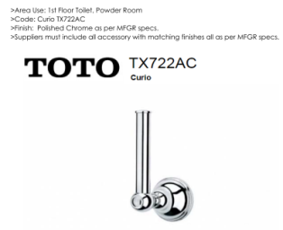 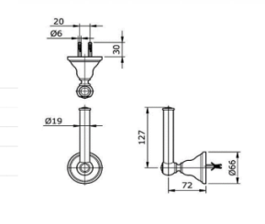 | TOTO | Approved and equivalent type spare toilet tissue holder in nickel chrome finish including all necessary accessories etc (KVS-09) | No | 5 | 41726007 |  | Logis Universal Roll holder without cover | 105.00 | 105.00
O | KVS15 | 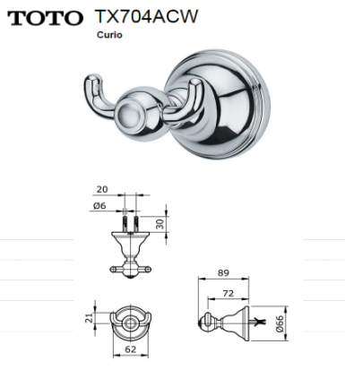 | TOTO | Approved and equivalent type of double robe hook in chrome finish including all necessary accessories etc (KVS-15) | No | 8 | 41725007 |  | Logis Universal Double Robe Hook | 70.00 | 70.00
P | KVS14 | 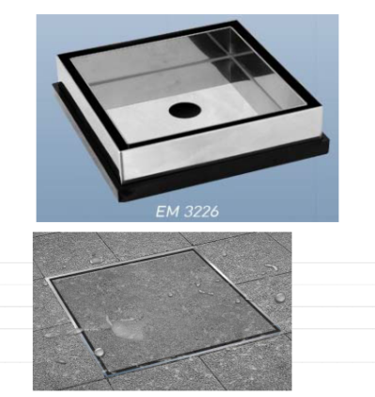 | Modern drain | Approved and equivalent type of stainless steel floor trap and frame including all necessary accessories etc (KVS-14) | No | 14 |  | 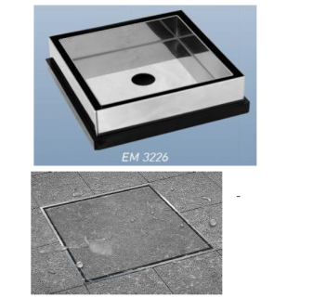 | Modern Floor Trap #ET-2216 | 55.00 | 55.00
Q |  | 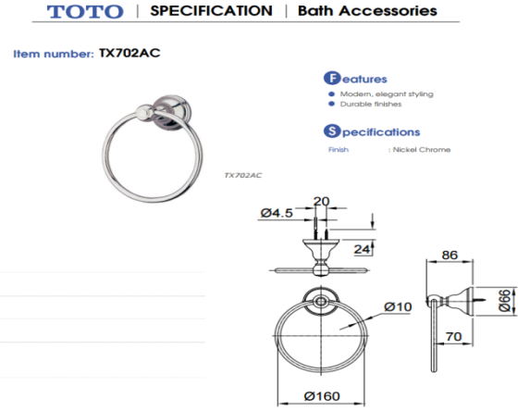 |  | Approved and equivalent type of hand towel ring in nickel chrome finish including all necessary accessories etc (KVS-05) | No | 8 | 41724007 | 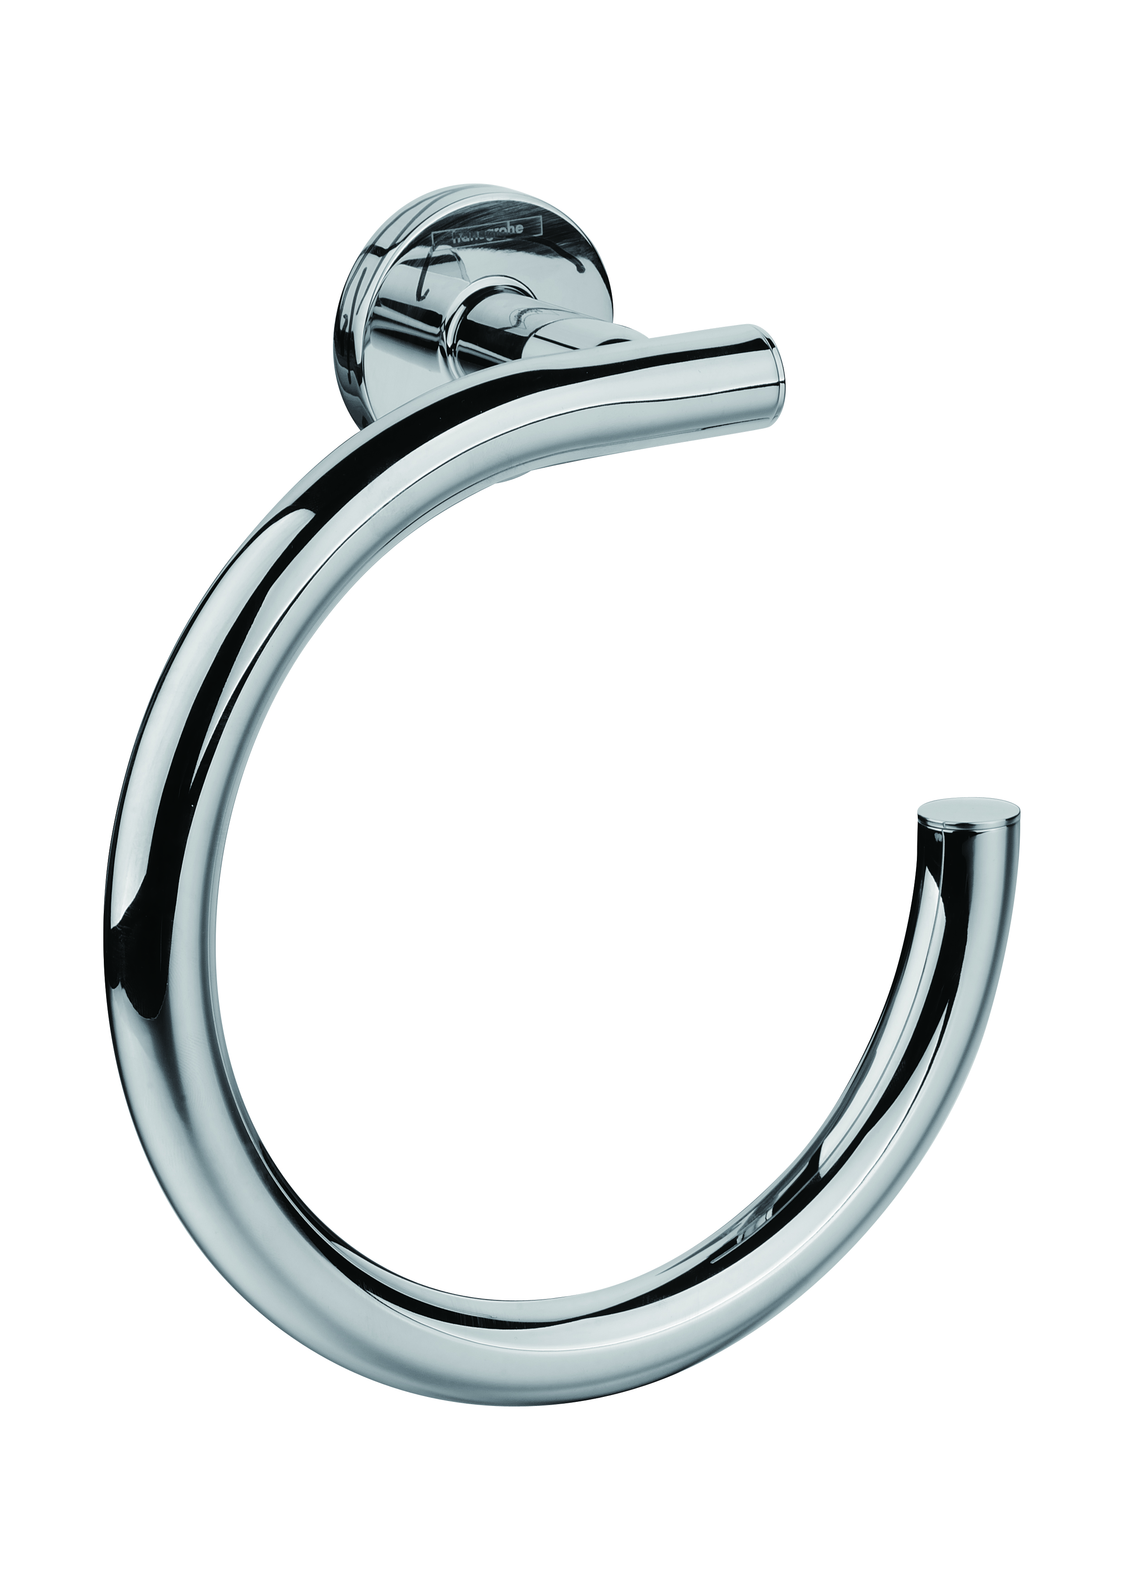 | Logis Universal Towel ring |  | 98.00
R |  |  |  | Approved type of freestanding magnifying mirror with lighting | No | 2 |  |  |  |  | 0.00
S |  |  |  | Approved type of wall mounted magnifying mirror with lighting | No | 2 | 73560007 |  | Logis Universal Wall mounted Shaving mirror with LED light |  | 705.00
T | KVS18A | 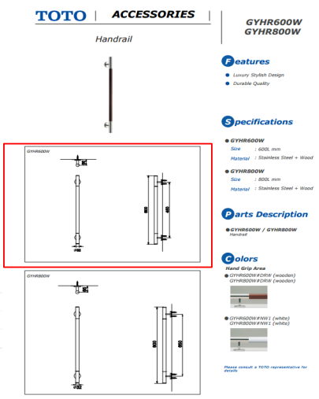 |  | Approved and equivalent type of shower grab bar in stainless steel and wood in 600mm (L) including all necessary accessories etc (KVS-18) | No | 0 |  |  |  |  | 0.00
U | KVS18B |  |  | Approved and equivalent type of shower grab bar in stainless steel and wood in 800mm (L) including all necessary accessories etc (KVS-18) | No | 5 |  |  |  |  | 0.00
V |  |  |  | Approved and equivalent type of shower drain 840mm length including all necessary accessories etc | No | 1 |  |  |  |  | 0.00
W |  |  |  | Approved and equivalent type of shower drain 1260mm length including all necessary accessories etc | No | 4 |  |  |  |  | 0.00
TOTAL |  |  |  |  |  |  |  |  |  | 5,600.00 | #VALUE!

SA resi Villa
PROPOSED INTERIOR DESIGN TO ANANTARA RESORT, DESARU, JOHOR DARUL TAKZIM
BILL NO. 4 - BEACH FRONT RESIDENCES SANITARY APPLIANCES AND TAP FITTINGS (SUPPLY AND DELIVER)

Item | Code | Image | Brand | Unit | Total Qty. | Remark
 |  |  |  |  |  |  |  | Hansgrohe
 |  |  |  |  |  |  |  | Image | Description | Unit Price | Total
1 | BVS-01 | 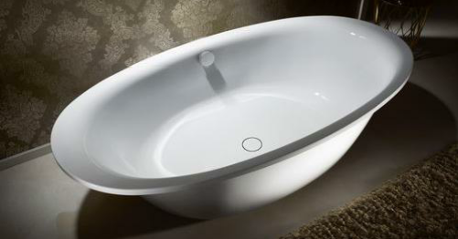 | TOTO | No | 4 |  |  |  |  |  | 0.00
2 | BVS03 | 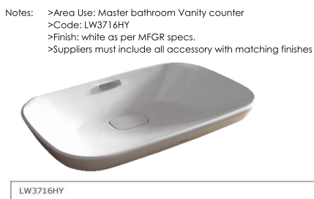 | TOTO | No | 8 |  |  |  |  |  | 0.00
3 | BVS06 | 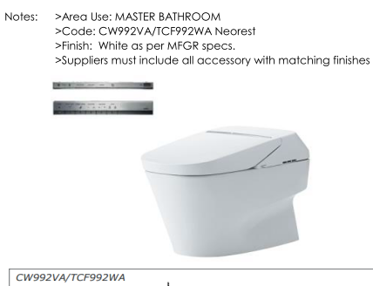 | TOTO | No | 4 |  |  |  |  |  | 0.00
4 | BVS07 | 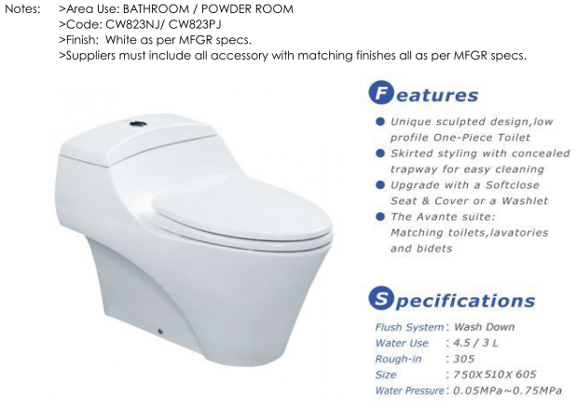 | TOTO | No | 10 |  |  |  |  |  | 0.00
5 | BVS18 | 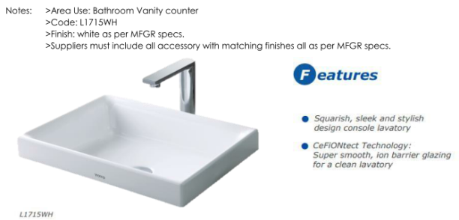 | TOTO | No | 14 |  |  |  |  |  | 0.00
6 | BVS20 | 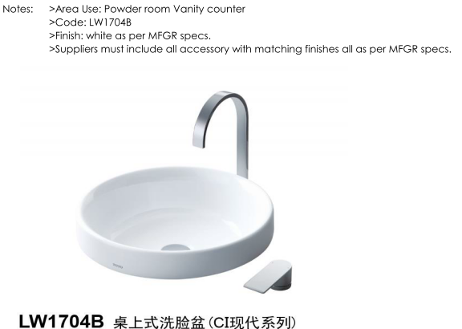 | TOTO | No | 3 |  |  |  |  |  | 0.00
7 | BVS24 | 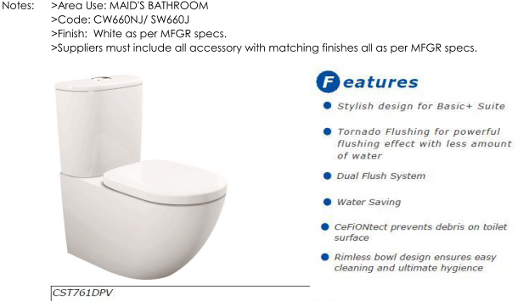 | TOTO | No | 3 |  |  |  |  |  | 0.00
8 | BVS25 | 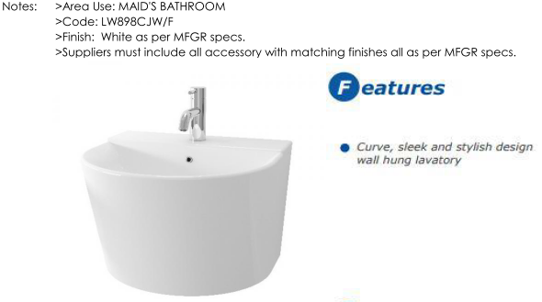 | TOTO | No | 3 |  |  |  |  |  | 0.00
 |  |  |  | No | 4 |  |  |  |  |  | 0.00
9 | BVS02 | 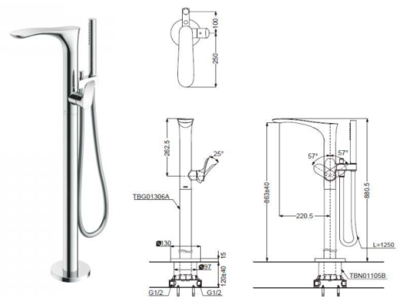 | TOTO | No | 4 |  | a) 15473000 b) 10452180 |  | Puravida Single lever bath mixer floor-standing ïï projection 186 mm ïï connection type: basic set ïï normal and spray jet ïï flow rate: 20 l/ min ïï joystick ceramic cartridge ïï temperature limitation not adjustable ïï with automatic resetting ïï non-return valve ïï integrated shower support ïï connection dimension: DN15 consisting of: ïï PuraVida 120 Air 1jet baton hand shower (no.28558XXX) ïï Isiflex shower hose 1.25 m (no.28272XXX) Basic set for bath mixer floor-standing (10452180) |  | 7,565.00
10 | BVS04 | 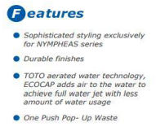 | TOTO | No | 8 |  | 15072400 |  | Puravida Single lever basin mixer 240 with push-open waste set and 900 mm connection hoses for washbowls ïï ComfortZone 240 ïï projection 178 mm ïï laminar spray ïï flow rate: 5 l/ min ïï adjustable spray former ïï joystick ceramic cartridge ïï push-open waste set G 1¼ ïï suitable for continuous flow water heaters ïï connection dimension: DN15 |  | 21.30
11 | BVS10 | 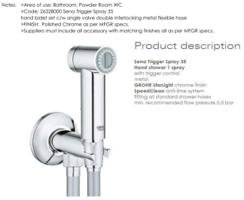 | Grohe | No | 14 |  | a) 32129000 b) 13903000 |  | Bidette 1jet hand shower/ Porter’S shower holder set with pressure shower hose 1.25 m (32129000) ïï with non-return valve ïï maximum flow rate (at 0.3 MPa): 6 l/ min Angle valve E (13903000) ïï connection dimension wall G ½ ïï connection dimension outlet G ½ ïï 1 piece ïï material: brass |  | 0.00
12 | BVS11 | 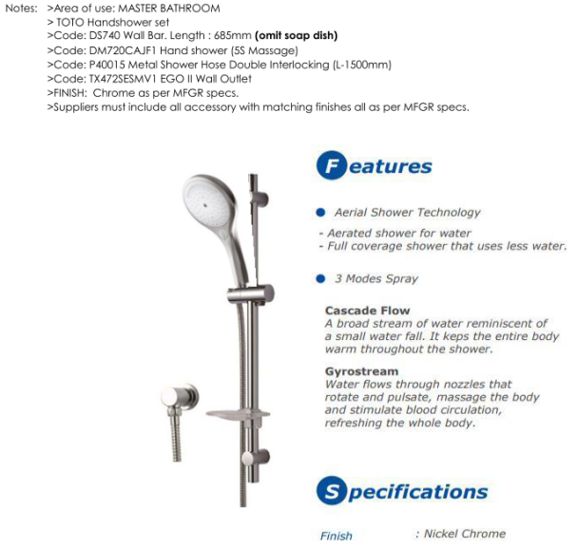 | TOTO | No | 4 |  | a) 27853400 b) 27414000 |  | PuraVida hand shower/ PuraVida Unica wall bar 0.90 m set (27853400) ïï spray type: RainAir, CaresseAir, Mix ïï convenient diversion via Select button ïï shower head size: 150 mm ïï pivot connectors prevent hose from tangling ïï 90° position adjustable slider, pivots left and right, up and down ïï maximum flow rate (at 0.3 MPa): 16 l/ min ïï chrome-plated wall supports of plastic consisting of: ïï PuraVida 3jet hand shower (no.28557XXX) ïï Isiflex shower hose 1.60 m (no.28276XXX) ïï PuraVida Unica wall bar 0.90 m (no.27844000) Fixfit wall outlet with non-return valve and pivot joint (27414000) ïï shower hose connection with ball joint ïï with non-return valve |  | 1,118.00
13 | BVS12 | 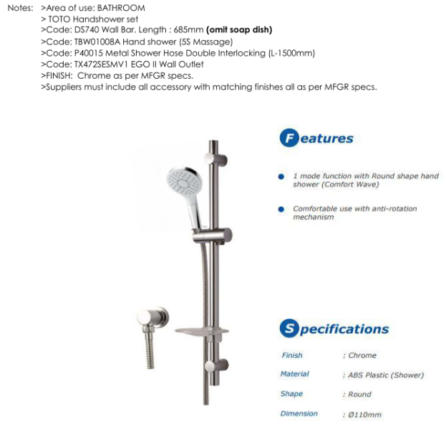 | TOTO | No | 7 |  | a) 26630400 b) 27414000 |  | Raindance Select S 120 3jet hand shower/ Unica’S Puro wall bar 0.65 m set ïï spray type: Rain, RainAir, WhirlAir ïï convenient diversion via Select button ïï shower head size: 125 mm ïï pivot connectors prevent hose from tangling ïï 90° position adjustable slider, pivots left and right, up and down ïï maximum flow rate (at 0.3 MPa): 16 l/ min ïï chrome-plated wall supports of plastic consisting of: ïï Isiflex shower hose 1.60 m (no.28276XXX) ïï Raindance Select S 120 3jet hand shower (no.26530XXX) ïï Unica’S Puro wall bar 0.65 m (no.28632000) ïï Casetta’S Puro soap dish (no.28679000) Fixfit wall outlet with non-return valve and pivot joint (27414000) ïï shower hose connection with ball joint ïï with non-return valve |  | 0.00
 |  |  |  |  |  |  |  |  |  |  | 0.00
 |  |  |  |  |  |  |  |  |  |  | 0.00
 |  |  |  |  |  |  |  |  |  |  | 0.00
14 | BVS13 | 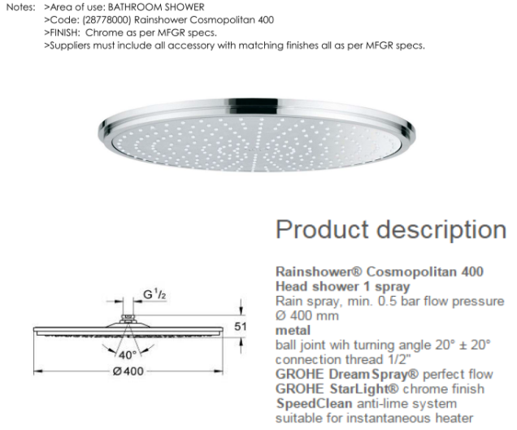 | Grohe | No | 11 |  | a) 27410000 b) 28420000 |  | Shower arm 470 mm (27410000) ïï wall-mounted ïï installation type: exposed installation ïï version: 90° angle ïï connection thread G ¾ Raindance Royale S 350 Air 1jet plate overhead shower (28420000) ïï shower head size: 350 mm ïï spray type: RainAir ïï flow rate RainAir spray (at 0.3 MPa): 25 l/ min ïï fully chrome-plated spray disc ïï material spray disc: metal ïï installation type: ceiling or wall ïï connection thread G ¾ ïï connection dimension: DN20 ïï not suitable for continuous flow water heaters |  | 5,335.00
15 | BVS14A | 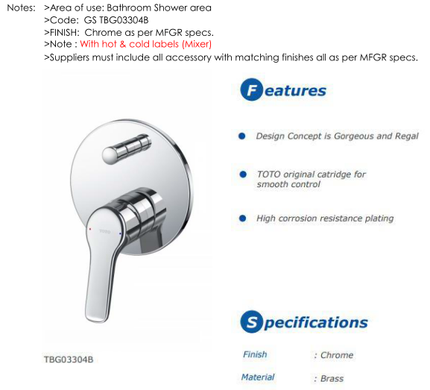 | TOTO | No | 7 |  | a) 31493000 b) 01800180 |  | METRIS Single lever bath mixer for concealed installation (31493000) ïï connection type: basic set ïï ceramic cartridge ïï temperature limitation adjustable ïï with automatic resetting ïï non-return valve ïï with silencer ïï scope of supply: handle, sleeve, escutcheon, diverter, mixing unit Basic Set (01800180) I-box Universal |  | 1,045.00
16 | BVS14B | 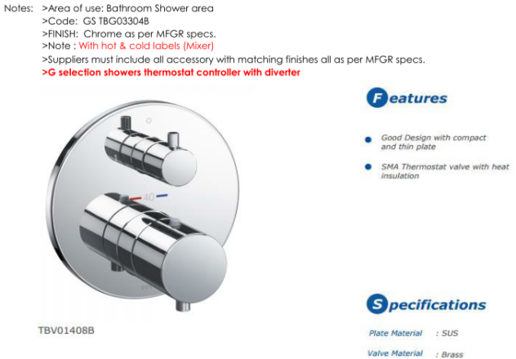 | TOTO | No | 7 |  | a) 15708000 b) 1800180 |  | METRIS Thermostatic mixer for concealed installation for 2 functions ïï 2 outlets ïï thermostat cartridge, shut-off/ diverter valve ïï safety lock at 40° C ïï temperature limitation adjustable ïï flow rate: 26 l/ min ïï scope of supply: handles, sleeve, mixing unit, escutcheon, shut-off/ diverter valve Basic Set (01800180) I-box Universal |  | 2,746.00
17 | BVS15A | 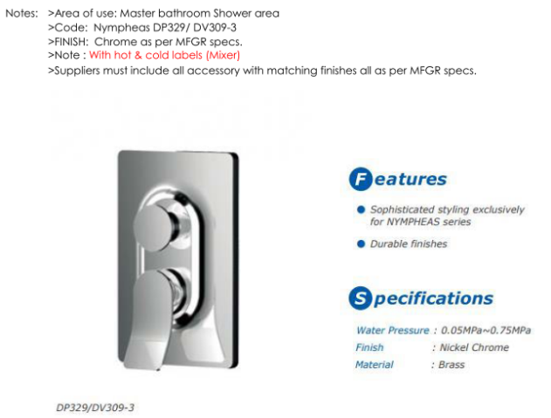 |  | No | 4 |  | a) 15445400 b) 01800180 |  | PURAVIDA Single lever bath mixer for concealed installation (15445400) ïï connection type: basic set ïï ceramic cartridge ïï temperature limitation adjustable ïï with automatic resetting ïï scope of supply: handle, sleeve, escutcheon, diverter, mixing unit Basic Set (01800180) I-box Universal |  | 1,995.00
18 | BVS15B | 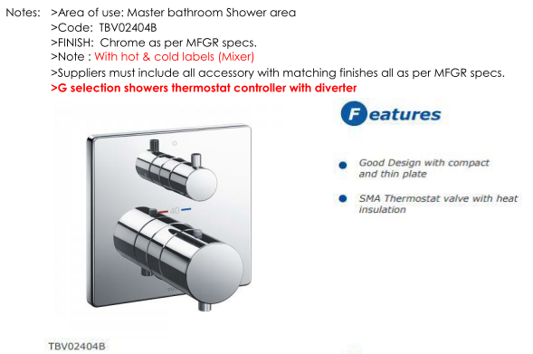 | TOTO | No | 4 |  | a) 15771400 b) 01800180 |  | Thermostatic mixer for concealed installation with shut-off/ diverter valve ïï 2 outlets ïï thermostat cartridge ïï safety lock at 38° C ïï temperature limitation adjustable ïï flow rate: 26 l/ min ïï operating pressure: min. 0.1 MPa / max. 1.0 MPa ïï scope of supply: handles, sleeves, escutcheon, mixing unit, shut-off/ diverter valve ïï connection type: basic set Basic Set (01800180) I-box Universal |  | 3,668.00
19 | BVS19 | 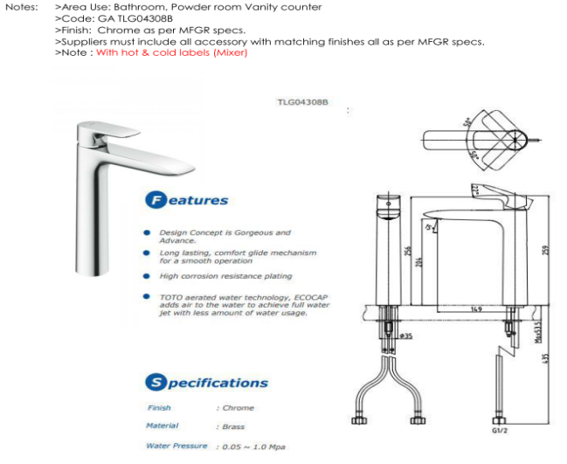 | TOTO | No | 17 |  | 31183000 |  | METRIS Single lever basin mixer 200 with pop-up waste set ïï ComfortZone 200 ïï projection 141 mm ïï normal spray ïï flow rate: 5 l/ min ïï ceramic cartridge ïï temperature limitation adjustable ïï pop-up waste set G 1¼ ïï suitable for continuous flow water heaters ïï connection dimension: DN15 |  | `045
20 | BVS27 | 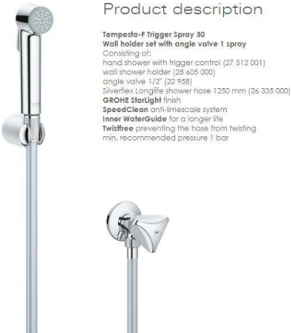 | Grohe | No | 3 |  | a) 32129000 b) 13903000 |  | Bidette 1jet hand shower/ Porter’S shower holder set with pressure shower hose 1.25 m (32129000) ïï with non-return valve ïï maximum flow rate (at 0.3 MPa): 6 l/ min Angle valve E (13903000) ïï connection dimension wall G ½ ïï connection dimension outlet G ½ ïï 1 piece ïï material: brass |  | 220+45
21 | BVS28 | 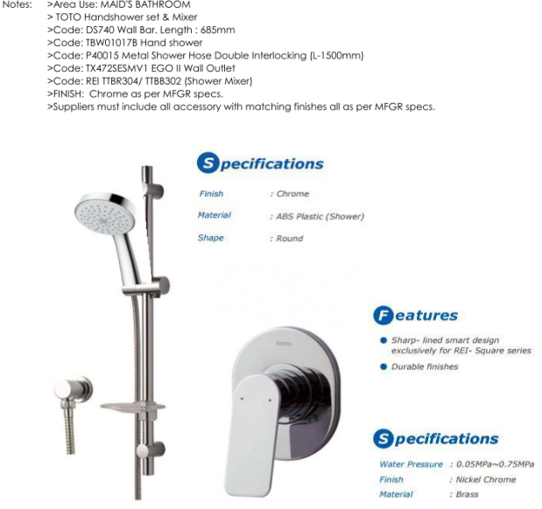 | TOTO | No | 3 |  | a) 26566400 b) 27506000 c) 31686000 d) 13620180 |  | Croma Select S Vario shower set 0.65 m with Casetta (26566400) ïï spray type: Rain, TurboRain, IntenseRain ïï convenient diversion via Select button ïï shower head size: 110 mm ïï pivot connectors prevent hose from tangling ïï 90° position adjustable slider, pivots left and right, up and down ïï maximum flow rate (at 0.3 MPa): 15 l/ min ïï chrome-plated wall supports of plastic Fixfit S wall outlet with non-return valve and pivot joint (27506000) ïï shower hose connection with pivot joint ïï with non-return valve Single lever shower mixer for concealed installation (31686000) Basic set for single lever shower (13620180) |  | 1,040.00
22 | BVS29 | 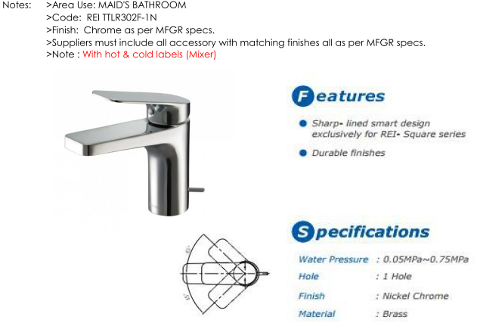 | TOTO | No | 3 |  | 31080000 |  | METRIS Single lever basin mixer 110 with pop-up waste set ïï ComfortZone 110 ïï projection 116 mm ïï normal spray ïï flow rate: 5 l/ min ïï ceramic cartridge ïï temperature limitation adjustable ïï pop-up waste set G 1¼ ïï suitable for continuous flow water heaters ïï connection dimension: DN15 |  | 738.00
 |  |  |  | No | 4 |  |  |  |  |  | 0.00
23 | BVS05 | 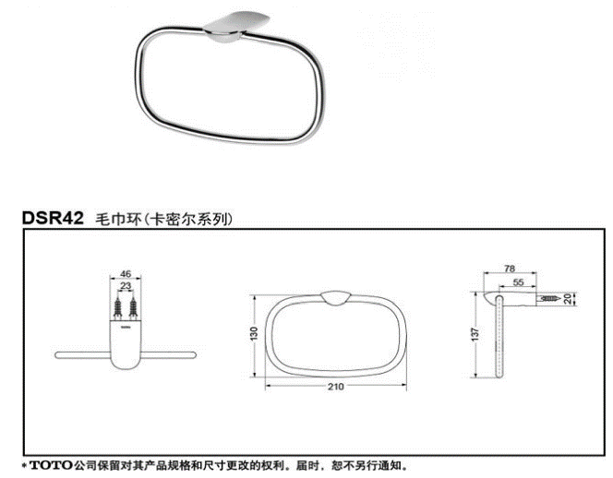 | TOTO | No | 25 |  |  |  |  |  | 0.00
24 | BVS08 | 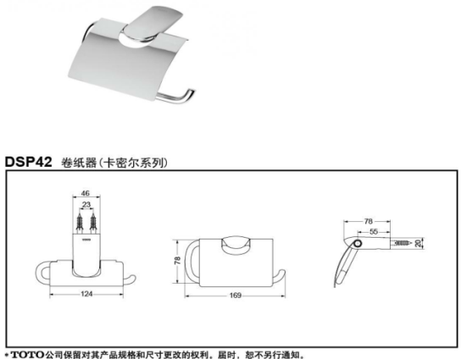 | TOTO | No | 14 |  |  |  |  |  | 0.00
25 | BVS09 | 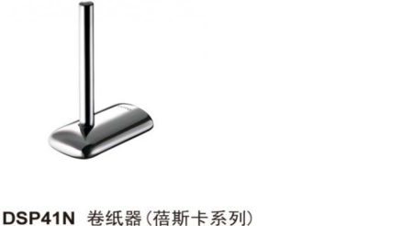 | TOTO | No | 14 |  |  |  |  |  | 0.00
26 | BVS16 | 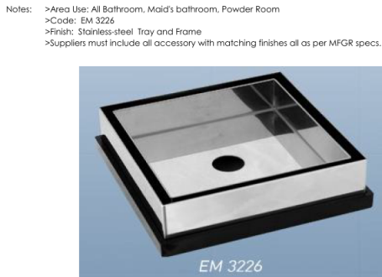 |  | No | 39 |  |  |  |  |  | 55.00
27 | BVS17 |  | TOTO | No | 17 |  |  |  |  |  | 0.00
28 | BVS21 |  | TOTO | No | 14 |  |  |  |  |  | 0.00
29 | BVS22 |  | TOTO | No | 9 |  | 73560007 |  | Logis Universal Wall mounted Shaving mirror with LED light |  | 705.00
30 |  |  | TOTO | No | 4 |  |  |  |  |  | 0.00
31 | BVS26 |  |  | No | 3 |  |  |  |  |  | 0.00
32 |  |  |  | No | 6 |  |  |  |  |  | 0.00
33 |  |  |  | No | 2 |  |  |  |  |  | 0.00
TOTAL |  |  |  |  |  |  |  |  |  | 0.00 | 26,031.30

