Sheet1
Living bathrooms SDN. BHD. (342454-T)
213 & 211, Jalan Maarof,
Bangsar, 59100 Kuala Lumpur
Tel: (603) 20939555 / 20939666 Fax: (603) 20939777

LBB/PP CHIN HIN/NOVUM BANGSAR SOUTH/ 1736 |  |  |  |  | Date: 29/6/2015

PP CHIN HIN SDN BHD
No. A-1-9, Pusat Perdagangan Kuchai,
No. 2, Jalan 1/127, Off Jalan Kuchai Lama,
58200 Kuala Lumpur, Malaysia.

Tel: 03-7981 7878 |  | Fax: 03-79817575
Attn: Dua Yit Cheng
Re: Quotation for Supply and Delivery of Bathroom Fittings
 |  |  |  | Qty | U/Price (RM) | Total (RM) | BQ (PC RATE)
Bathroom 2
Logis series
 |  |  |  |  |  |  |  | EURO
 | Hansgrohe Logis single lever basin mixer 100 |  |  | 576 | 257.00 | 148,032.00 | 280.00 | 39.09 | 270.27942857
 | #71100019
 | c.w. pop up waste set
 | c.w. reducer nuts
 | water consumption: 3.20 litres/min (2 ticks)

 | Hansgrohe Croma 100 Multijet hand shower / |  |  | 576 | 199.00 | 114,624.00 | 280.00 | 29.99 | 207.35942857
 | Unica'C wall bar 0.65m set #27775000
 | consist of #28536 Hand Shower
 | water consumption: >5 to 7 litres/min (2 ticks)

 | Hansgrohe fixfit E wall outlet w/o non-return |  |  | 576 | 54.00 | 31,104.00 | 70.00 | 7.07 | 48.884
 | valve #27454000

 | Hansgrohe Logis single lever bath mixer for |  |  | 576 | 347.00 | 199,872.00 | 370.00 | 28.61 | 331.88571429
 | concealed installation #71606000 |  |  |  |  |  |  | 13.63
 | c.w. basic set #13620180

 |  |  |  |  | Sub-total | 493,632.00

Master Bathroom
Logis series
 |  |  |  |  |  |  |  | EURO
 | Hansgrohe Logis single lever basin mixer 100 |  |  | 729 | 257.00 | 187,353.00 | 280.00 | 39.09 | 270.27942857
 | #71100019
 | c.w. pop up waste set
 | c.w. reducer nuts
 | water consumption: 3.20 litres/min (2 ticks)

 | Hansgrohe Croma 100 Multijet hand shower / |  |  | 729 | 199.00 | 145,071.00 | 280.00 | 29.99 | 207.35942857
 | Unica'C wall bar 0.65m set #27775000
 | consist of #28536 Hand Shower
 | water consumption: >5 to 7 litres/min (2 ticks)

 | Hansgrohe fixfit E wall outlet w/o non-return |  |  | 729 | 54.00 | 39,366.00 | 70.00 | 7.07 | 48.884
 | valve #27454000

 | Hansgrohe Logis single lever bath mixer for |  |  | 729 | 347.00 | 252,963.00 | 370.00 | 28.61 | 331.88571429
 | concealed installation #71606000 |  |  |  |  |  |  | 13.63
 | c.w. basic set #13620180

 |  |  |  |  | Sub-total | 624,753.00

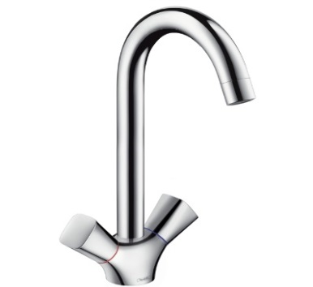
 | Hansgrohe Logis 2-handle kitchen mixer |  |  | 729 | 313.00 | 228,177.00 |  | 47.55 | 328.77428571
 | #71280000
 | c.w. reducer nuts

 |  |  |  |  | Sub-total | 228,177.00

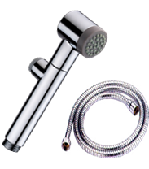
Hand Bidet |  |  |  |  |  |  |  | Showerscene price
 | Hand Bidet Set |  |  | 1305 | 50.00 | 65,250.00 | 70.00 | 29.25 |  | need to increase
 | #AR-168BS
 | Chrome
 | with stick lever angle valve

Paper Holder
 |  | Paper Holder Brass Chrome |  | 1305 | 55.00 | 71,775.00 | 70.00
 |  | #AR-2686

Modern Floor Drain
 |  | Modern Floor Drain |  | 2610 | 36.00 | 93,960.00 | 40.00
 |  | for tile application
 |  | size: 130 x 130 mm

 |  | Atget stainless steel floor trap with |  | 8 | 28.00 | 224.00 | 40.00
 |  | anti-cockroach trap #PD-3138
 |  | size: 152 x 152 x 35mm

 |  | Hansgrohe Logis 100 |  | 10 |  |  | 280.00
 |  | Basin Mixer
 |  | #71100000

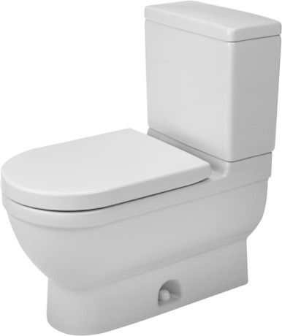
 |  |  |  |  |  |  |  | EURO
 |  | Duravit Starck 3 2PC WC |  | 20 | 1,540.00 | 30,800.00 | 1,640.00 | 175
 |  | #212501 |  |  |  |  |  | (alila & dorsett)
 |  | c/w soft closing seat & cover
 |  | S-trap 305mm

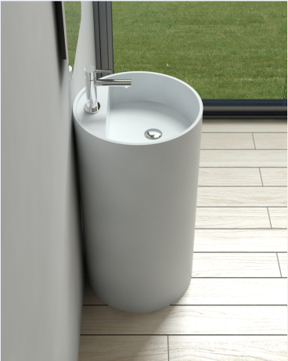
 |  | c/w high pressure flexible hose & angle valve
 |  |  |  |  |  |  |  | RM
 |  | Cylindrical Cast Stone Free Standing Basin |  | 23 | 1,640.00 | 37,720.00 | 2,980.00 | 2000 |  | need to increase
 |  | #TR-SYW-WHB-06268-WW |  |  | 2,590.00 | price to contractor
 |  | Size : 460 x 460 x 860mm

 |  | c/w chrome basin bottle trap

 |  | Hansgrohe Croma 220 1jet overhead |  | 6 | 890 | 5,340.00 | 890.00
 |  | shower #26464000
 |  | c/w wall connector #27409000

 |  | Hansgrohe Logis shower mixer |  | 6 |  |  | 370
 |  | #71606000/13620180

 |  | P-923 Liquid Dispenser |  | 7 | 200.00 | 1,400.00

 |  | PS 928 Satin Finish Paper Dispenser |  | 2 | 330.00 | 660.00

 |  | Auto Hand Dryer #SHD-1100 |  | 2 | 900.00 | 1,800.00

 |  | Abagno T-7217L |  | 8 |  |  | 90.00
 |  | Surau

Hand Bidet
 | Hand Bidet Set |  |  | 19 | 50.00 | 950.00 | 70.00
 | #AR-168BS
 | Chrome
 | with stick lever angle valve

 |  | ATGET L SHAPE GRAB BAR |  | 2 |  |  | 540
 |  | #BNH-9020L

 |  | ATGET SUPPORT BAR |  | 2 |  |  | 560

SUMMARY
Bathroom 2 |  |  | 493,632.00
Master Bathroom |  |  | 624,753.00
Kitchen Area |  |  | 228,177.00
Accessories |  |  | -
 |  | Total | 1,346,562.00
 |  |  | (price quoted not inclusive of 6% GST)

Validity: 30 Days

Payment terms: | - to be negotiated and agreed upon
 | - non stocking items delivery within 3 months
 | - delivery after 1st April 2015 is subjected to 6% GST as accordance to Government Ruling

Delivery: ex-stock subject to prior sales.

We trust our quotation meets your requirement and we look forward to receiving your
favourable reply soon.

Thank you

Yours faithfully
Living Bathrooms Sdn Bhd

Lawrence
03-2093 9555

