Option 1
 |  | Company: | Frasers Hospitality China Square Trustee Pte Ltd
 |  | Contact Person: | Ms.Jasmine Lee & Ms Sue-Lynn Khoo |  |  | Date: | 19-Dec-16
 |  | Address: | 438 Alexandra Road #15-00 Alexandra Point Singapore 119958 |  |  | Revised Date : | 16-Feb-17
 |  | Contact no: | +65 6415 0296 | (O) | (F) | Contact Person: | Celine See
 |  |  |  |  |  |  | Jason Teh
 |  | Person In Charge: | Celine See / Jason Teh |  |  | Project: | FRASER RESIDENCE PUTRAJAYA
 |  | Address: | 69 Mohamed Sultan Road Singapore 239015 |  |  | CRM: | 136879
 |  | DID: | 6933 8670 |  |  | Est. Delivery Year: | 2020
 |  | Email: | celine.see@hansgrohe.com / jason.teh@hansgrohe.com

OPTION 1
No. |  | Art No. | Description, Picture and Scale Drawing |  | Qty | Unit Rate (MYR) | Total Price (MYR)
Basin Mixer
1 | (a) | 71101000 | HG Logis Single lever basin mixer 100 without waste set (2 Ticks WELS) |  | 389 | 313.00 | 121,757.00
 | (b) | AR-2209B/ AC70 | Abagno push waste with overflow / Anello chrome bottle trap |  | 389 |  | -
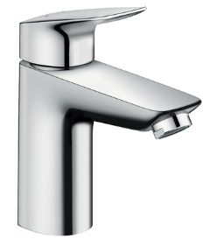
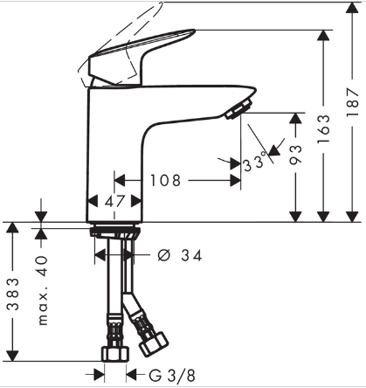

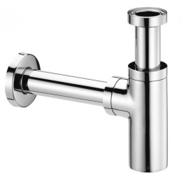

Showerpipe-Customised
2 | (a) | 27135000 | HG Croma 160 1jet Showerpipe with thermostat Ecostat Comfort. |  | 96 | 2,069.00 | 198,624.00
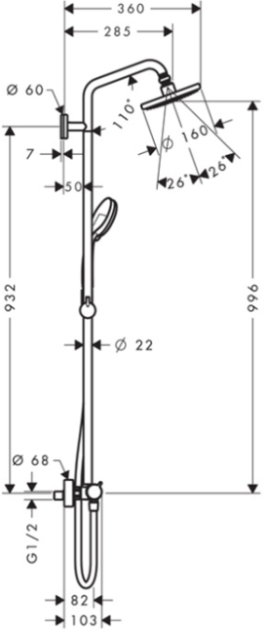

Bath mixer - exposed
3 | (a) | 71400000 | Logis single lever bath mixer wall-mounted with customised with aerator #96512000 (approximately 30 litres / min at 3 bar) |  | 242 |  | -
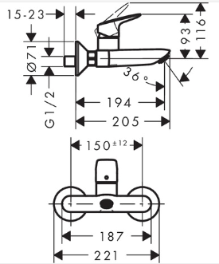
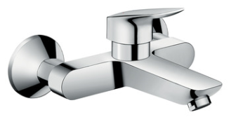

Hand bidet
4 | (a) | 32127000 | HG Bidette 1jet handshower with shower holder set and pressure resistant shower hose 1.25 m |  | 341 | 152.00 | 51,832.00
 | (b) | T-72093 | Abagno angle valve |  | 341 |  | -
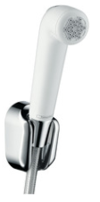
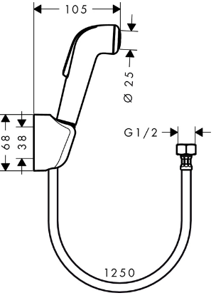

Kitchen Mixer
5 | (a) | 71835000 | HG Logis Single Lever Kitchen Mixer 260 |  | 283 | 440.00 | 124,520.00
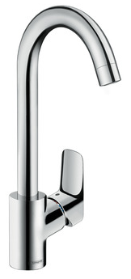
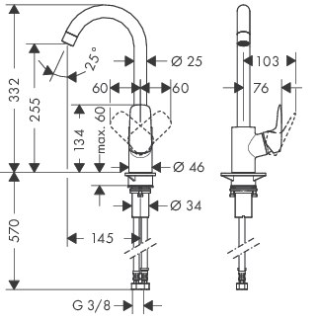

 |  | Remarks:
1 |  | Prices quoted above are based on Malaysia Ringgit. Unit Price is exclusive of 6% GST.
2 |  | Price quoted are for latest delivery by 15 Sept 2020. Prices will be subjected to annual 5% price increase theafter.
3 |  | Prices quoted may subject to revision should final order quantities or product mix are different from our quotation.
4 |  | Project prices quoted are not valid for individual purchase or mock-up purpose.
5 |  | Plumbing items for complete site installation (eg. reducer valve, p-trap, waste..etc) are not included

Option 2
 |  | Company: | Frasers Hospitality China Square Trustee Pte Ltd
 |  | Contact Person: | Ms.Jasmine Lee & Ms Sue-Lynn Khoo |  |  | Date: | 19-Dec-16
 |  | Address: | 438 Alexandra Road #15-00 Alexandra Point Singapore 119958 |  |  | Revised Date : | 16-Feb-17
 |  | Contact no: | +65 6415 0296 | (O) | (F) | Contact Person: | Celine See
 |  |  |  |  |  |  | Jason Teh
 |  | Person In Charge: | Celine See / Jason Teh |  |  | Project: | FRASER RESIDENCE PUTRAJAYA
 |  | Address: | 69 Mohamed Sultan Road Singapore 239015 |  |  | CRM: | 136879
 |  | DID: | 6933 8670 |  |  | Est. Delivery Year: | 2020
 |  | Email: | celine.see@hansgrohe.com / jason.teh@hansgrohe.com

OPTION 2
No. |  | Art No. | Description, Picture and Scale Drawing |  | Qty | Unit Rate (MYR) | Total Price (MYR)
Basin Mixer
1 | (a) | 71101000 | HG Logis Single lever basin mixer 100 without waste set (2 Ticks WELS) |  | 389 | 313.00 | 121,757.00
 | (b) | AR-2209B/ AC70 | Abagno push waste with overflow / Anello chrome bottle trap |  | 389 |  | -

Overhead shower
2 | (a) | 26464000 | HG Croma 220 Air 1jet overhead shower |  | 338 | 734.00 | 248,092.00
 | (b) | 27479000 | HG Ceiling connector 100 mm |  | 338 | 185.00 | 62,530.00
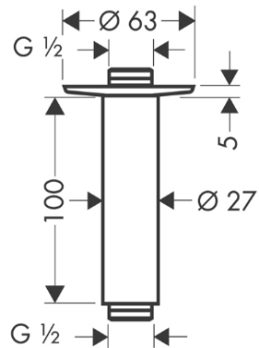
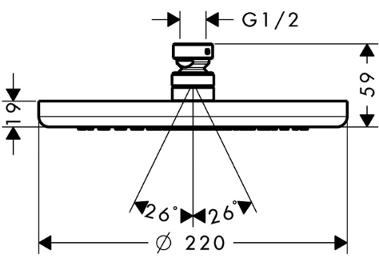

Overhead shower-Alternative
 | (c) | 26726000 | HG Crometta E240 1jet Overhead Shower |  | 338 | 714.00 | 241,332.00
 | (d) | 27479000 | HG Ceiling connector 100 mm |  | 338 | 185.00 | 62,530.00

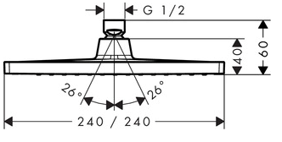
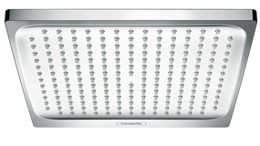

Shower set with bath mixer
3 | (a) | 71666000 | HG Logis Single lever shower mixer set for concealed installation |  | 242 | 410.00 | 99,220.00
 | (b) | 15932000 | HG Trio shut-off/ diverter valve for concealed installation |  | 242 | 680.00 | 164,560.00
 | (c) | 15981180 | HG Basic set for Trio three-way diverter valve for concealed installation |  | 242 | 898.00 | 217,316.00
 | (d) | 26582400 | HG Croma Select E Vario shower set 0.65 m with Select Button |  | 242 | 299.00 | 72,358.00
 | (e) | 27454000 | HG Fixfit E wall outlet without non-return valve |  | 242 | 139.00 | 33,638.00
 | (f) | 71410000 | HG Logis Bath spout |  | 242 | 332.00 | 80,344.00
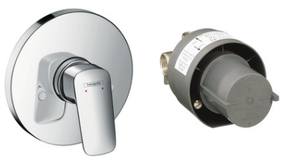

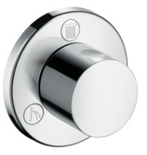

Shower set without bath mixer
4 | (a) | 71406000 | HG Logis Single lever shower mixer for concealed installation |  | 96 |  | -
 | (b) | 31741180 | HG Basic set for single level bath mixer. |  | 96 |  | -
 | (c) | 26582400 | HG Croma Select E Vario shower set 0.65 m with Select Button |  | 96 | 299.00 | 28,704.00
 | (d) | 27454000 | HG Fixfit E wall outlet without non-return valve |  | 96 |  | -
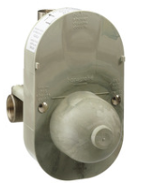
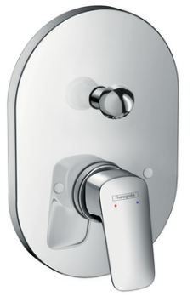

Hand bidet
5 | (a) | 32127000 | HG Bidette 1jet handshower with shower holder set and pressure resistant shower hose 1.25 m |  | 341 | 152.00 | 51,832.00
 | (b) | T-72093 | Abagno angle valve |  | 341 | 49.00 | 16,709.00

Kitchen Mixer
6 | (a) | 71835000 | HG Logis Single Lever Kitchen Mixer 260 |  | 283 | 440.00 | 124,520.00

 |  | Remarks:
1 |  | Prices quoted above are based on Malaysia Ringgit. Unit Price is exclusive of 6% GST.
2 |  | Price quoted are for latest delivery by 15 Sept 2020. Prices will be subjected to annual 5% price increase theafter.
3 |  | Prices quoted may subject to revision should final order quantities or product mix are different from our quotation.
4 |  | Project prices quoted are not valid for individual purchase or mock-up purpose.
5 |  | Plumbing items for complete site installation (eg. reducer valve, p-trap, waste..etc) are not included

Option 3
 |  | Company: | Frasers Hospitality China Square Trustee Pte Ltd
 |  | Contact Person: | Ms.Jasmine Lee & Ms Sue-Lynn Khoo |  |  | Date: | 19-Dec-16
 |  | Address: | 438 Alexandra Road #15-00 Alexandra Point Singapore 119958 |  |  | Revised Date : | 16-Feb-17
 |  | Contact no: | +65 6415 0296 | (O) | (F) | Contact Person: | Celine See
 |  |  |  |  |  |  | Jason Teh
 |  | Person In Charge: | Celine See / Jason Teh |  |  | Project: | FRASER RESIDENCE PUTRAJAYA
 |  | Address: | 69 Mohamed Sultan Road Singapore 239015 |  |  | CRM: | 136879
 |  | DID: | 6933 8670 |  |  | Est. Delivery Year: | 2020
 |  | Email: | celine.see@hansgrohe.com / jason.teh@hansgrohe.com

OPTION 3
No. |  | Art No. | Description, Picture and Scale Drawing |  | Qty | Unit Rate (MYR) | Total Price (MYR)
Basin Mixer
1 | (a) | 71101000 | HG Logis Single lever basin mixer 100 without waste set (2 Ticks WELS) |  | 389 | 313.00 | 121,757.00
 | (b) | AR-2209B/ AC70 | Abagno push waste with overflow / Anello chrome bottle trap |  | 389 |  | -

Overhead shower
2 | (a) | 26464000 | HG Croma 220 Air 1jet overhead shower |  | 338 | 734.00 | 248,092.00
 | (b) | 27479000 | HG Ceiling connector 100 mm |  | 338 | 185.00 | 62,530.00

Overhead shower-Alternative
 | (c) | 26726000 | HG Crometta E240 1jet Overhead Shower |  | 338 | 714.00 | 241,332.00
 | (d) | 27479000 | HG Ceiling connector 100 mm |  | 338 | 185.00 | 62,530.00

Shower set without bath mixer
3 | (a) | 71406000 | HG Logis Single lever shower mixer for concealed installation |  | 96 |  | -
 | (b) | 31741180 | HG Basic set for single level bath mixer. |  | 96 |  | -
 | (c) | 26582400 | HG Croma Select E Vario shower set 0.65 m with Select Button |  | 96 | 299.00 | 28,704.00
 | (d) | 27454000 | HG Fixfit E wall outlet without non-return valve |  | 96 |  | -

Bath mixer-exposed
4 | (a) | 71400000 | Logis single lever bath mixer wall-mounted |  | 242 | 358.00 | 86,636.00
 | (b) | 26664400 | Crometta 100 1jet Porter Set 1.25 m |  | 242 | 129.00 | 31,218.00
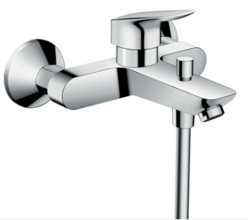
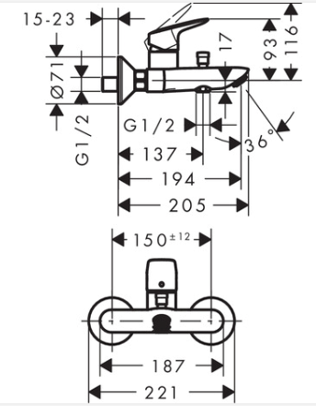
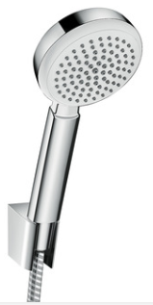
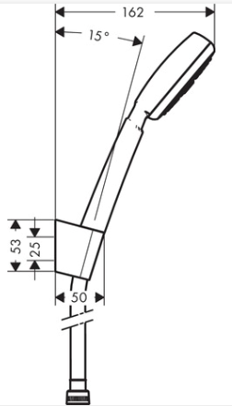

Hand bidet
5 | (a) | 32127000 | HG Bidette 1jet handshower with shower holder set and pressure resistant shower hose 1.25 m |  | 341 | 152.00 | 51,832.00
 | (b) | T-72093 | Abagno angle valve |  | 341 | 49.00 | 16,709.00

Kitchen Mixer
6 | (b) | 71835000 | HG Logis Single Lever Kitchen Mixer 260 |  | 283 | 440.00 | 124,520.00

 |  | Remarks:
1 |  | Prices quoted above are based on Malaysia Ringgit. Unit Price is exclusive of 6% GST.
2 |  | Price quoted are for latest delivery by 15 Sept 2020. Prices will be subjected to annual 5% price increase theafter.
3 |  | Prices quoted may subject to revision should final order quantities or product mix are different from our quotation.
4 |  | Project prices quoted are not valid for individual purchase or mock-up purpose.
5 |  | Plumbing items for complete site installation (eg. reducer valve, p-trap, waste..etc) are not included

