TYPE OF SCHEDULE_TEMPLATE
No. | Description | Specification |  | Design | Supplier Proposed Specification | Supplier Proposed Design | Supplier Proposed Brand / Model | Unit | Rate | Qty | Amount

1 | Basin | Description: | Counter washbasin in |  |  |  |  | No |  | 626
 |  |  | White Europe Ceramic
 |  |  | with overflow waste.
 |  |  | Overflow cap included in
 |  |  | 080 finishings. Include
 |  |  | with 1 1/4" brass chromed
 |  |  | fast flow anti-stagnation,
 |  |  | anti-backflow and
 |  |  | anti-odour dry waste
 |  |  | system with 350mm
 |  |  | overflow L-pipe.

 |  | Code
 |  | Basin: | Gessi 37504.518
 |  | Fitting: | Orion DW-BCP-32R

 |  | Finish: | 518 White Europe Ceramic

 |  | Origin: | Italy

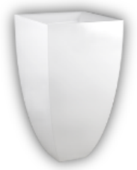
2 | Basin | Description: | Standing washbasin in |  |  |  |  | No |  | 36
 |  |  | Ceramilux® (bright white)
 |  |  | with floor fixing and
 |  |  | waste. Syphon included.

 |  | Code: | Gessi 37501.518

 |  | Finish: | 518 White Europe Ceramic

 |  | Origin: | Italy

3 | Undermount | Description: | Kadelwei (Germany) |  |  |  |  | No |  | 307
 | Bathtub
 |  | Code: | 624A-FL (Drop-In)

 |  | Material: | Dyna Set Steel
 |  |  | Enamel 3.5mm

 |  | Size: | 1500mm (L) x 750mm (W)
 |  |  | x 430mm (D)

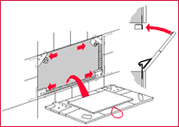
 |  | Accessories: | With anti slip
 |  |  | 5855 Dyna Set Star Handles
 |  |  | Trend A1080 Bath Waste
 |  |  | Trend A1015-12 P Trap

 |  | Finish: | White colour

 |  | Bath Pedestal
 |  | Code: | 5030-FL

 |  | Features: | - 2 pair of height-
 |  |  | adjustable screw-type feet
 |  |  | - Simple mounting on
 |  |  | bath cams
 |  |  | - Feet are sound-proofed.
 |  |  | Optimum sound proofing
 |  |  | in accordance with DIN
 |  |  | 4109/A1 in conjunction
 |  |  | with the kaldewei BWS
 |  |  | sound insulating set

 |  | Access panel: | ALPRO (ITALY) - By Flowline

 |  | Code: | ALPRO 2000-FL

 |  | Features: | - from 6" x 6" up to 18" x
 |  |  | 40" approx max. 10 kg
 |  |  | - 2 joint brackets with
 |  |  | adjustable magnets
 |  |  | (adhesive load á 4 kg)
 |  |  | - 2 magnet contact plates

4 | Bathtub | Description: | Claybrook #H33102 Skye |  |  |  |  | No |  | 4
 |  |  | free standing composite
 |  |  | stone bath c/w bath
 |  |  | drain set

 |  | Code: | #H33102

 |  | Colour: | Dover White (DW)

 |  | Size: | 1800mm(L )x 900mm(W)
 |  |  | x 500mm(H)

5 | Undermount | Description: | Kadelwei (Germany) |  |  |  |  | No |  | 2
 | Bathtub
 |  | Code: | 114-FL (Drop-In)

 |  | Material: | Classic Duo Steel
 |  |  | Enamel 3.5mm

 |  | Size: | 1900mm (L) x 900mm (W)
 |  |  | x 430mm (D)

 |  | Accessories: | With anti slip
 |  |  | 4002 comfort-level
 |  |  | 5030 allround bath
 |  |  | pedestal
 |  |  | 560970000999 single side
 |  |  | handles

 |  | Finish: | White colour

 |  | Bath Pedestal
 |  | Code: | 5030-FL

 |  | Features: | - 2 pair of height-
 |  |  | adjustable screw-type feet
 |  |  | - Simple mounting on
 |  |  | bath cams
 |  |  | - Feet are sound-proofed.
 |  |  | Optimum sound proofing
 |  |  | in accordance with DIN
 |  |  | 4109/A1 in conjunction
 |  |  | with the kaldewei BWS
 |  |  | sound insulating set

 |  | Access panel: | ALPRO (ITALY) - By Flowline

 |  | Code: | ALPRO 2000-FL

 |  | Features: | - from 6" x 6" up to 18" x
 |  |  | 40" approx max. 10 kg
 |  |  | - 2 joint brackets with
 |  |  | adjustable magnets
 |  |  | (adhesive load á 4 kg)
 |  |  | - 2 magnet contact plates

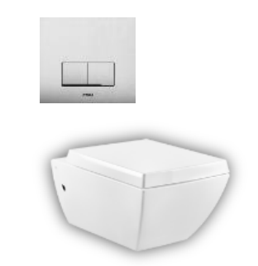
6 | WC | Description: | Wall hung WC (6 litres) in |  |  |  |  | No |  | 349
 |  |  | White Europe Ceramic,
 |  |  | integrated siphon. Soft-
 |  |  | closing hardware and
 |  |  | included lateral holes
 |  |  | plugs in 080 finishings with
 |  |  | Wisa W-XS EX built-in
 |  |  | cistern 3/6L XS Control
 |  |  | Panel Delos Glass DF-
 |  |  | White.

 |  | Codes
 |  | WC: | Gessi 37513.518
 |  | Cistern: | Wisa W-XS EX
 |  | Flush plate: | XS Control Panel Delos
 |  |  | Glass DF-white

 |  | Finish
 |  | WC: | 518 White Europe Ceramic
 |  | Panel: | Temple white glass

 |  | Origin |  | *image serves as reference
 |  | WC: | Italy
 |  | Cistern: | Netherland

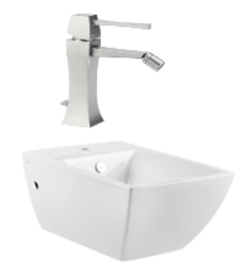
7 | Bidet | Description: | Bidet mixer, with 1 1/4" |  |  |  |  | No |  | 3
 |  |  | pop-up waste and flexible
 |  |  | hoses with 3/8"
 |  |  | connections. Wall hung
 |  |  | bidet in in White Europe
 |  |  | Ceramic with overflow
 |  |  | waste, with central hole
 |  |  | for taps and fittings.
 |  |  | Overflow cap and side
 |  |  | covering caps included
 |  |  | in 080 finishings.
 |  |  |  | *image serves as reference
 |  | Codes
 |  | Fitting: | Gessi 31107.08
 |  | WC: | Gessi 37515.518

 |  | Finish
 |  | Fitting: | 080 Gold CCP
 |  | WC: | 518 White Europe Ceramic

 |  | Origin: | Italy | *image serves as reference

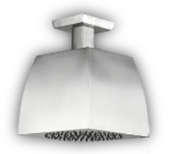
8 | Shower Head | Description: | Ceiling-mounted |  |  |  |  | No |  | 315
 |  |  | adjustable and
 |  |  | antilimestone
 |  |  | showerhead, 269 mm
 |  |  | length, 1/2" connections.

 |  | Code: | Gessi 31251.080

 |  | Finish: | 080 Gold CCP

 |  | Origin: | Italy

 |  |  |  | *image serves as reference

9 | Basin Mixer | Description: | Mixer for basins with a |  |  |  |  | No |  | 626
 |  |  | height between 120 and
 |  |  | 200 mm, 1 1/4" pop-up
 |  |  | waste and flexible hoses
 |  |  | with 3/8" connections.
 |  |  | Projection 177 mm.

 |  | Code: | Gessi 11987.080

 |  | Finish: | 080 Gold CCP | *image serves as reference

 |  | Origin: | Italy

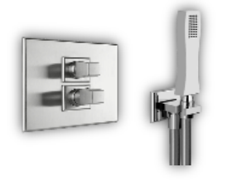
10 | Shower Mixer | Description: | External parts for |  |  |  |  | No |  | 313
 |  |  | thermostatic mixer with
 |  |  | 3/4" connections, filters
 |  |  | and 1/2" two-way diverter
 |  |  | with ceramic discs &
 |  |  | built-in part for two-way
 |  |  | thermostatic mixer.
 |  |  | Shower set composed by
 |  |  | 1/2" connection water | *image serves as reference
 |  |  | outlet, shower hook,
 |  |  | antilimestone
 |  |  | handshower with
 |  |  | neoperl chromalux
 |  |  | supreme brushed nickel
 |  |  | 1500mm flexible hose with
 |  |  | conical hexagon rotating
 |  |  | connection.

 |  | Code: | Gessi 09257.031
 |  |  | Gessi 31234.080
 |  |  | Gessi 31223.080
 |  |  | Neoperl NEFHS-60-GD

 |  | Finish: | 080 Gold CCP

 |  | Origin: | Italy

11 | Toilet Roll Holder | Description: | Wall-mounted paper roll |  |  |  |  | No |  | 643
 | Holder |  | holder with cover

 |  | Code: | Gessi 33249.080

 |  | Finish: | 080 Gold CCP
 |  |  |  | *image serves as reference
 |  | Origin: | Italy

 |  | Quantity: | 2 per ensuite/guest w.c

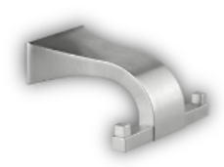
12 | Robe Hook | Description: | Wall mounted robe hook |  |  |  |  | No |  | 638

 |  | Code: | Gessi 33321.080

 |  | Finish: | 080 Gold CCP

 |  | Origin: | Italy | *image serves as reference

13 | Tower Rail | Description: | 30 cm centre distance |  |  |  |  | No |  | 316
 |  |  | towel rail, width 64 cm

 |  | Code: | Gessi 33303.080

 |  | Finish: | 080 Gold | *image serves as reference

 |  | Origin: | Italy

14 | Tower Rail | Description: | 30 cm centre distance |  |  |  |  | No |  | 9
 |  |  | towel rail, width 49cm

 |  | Code: | Gessi 33303.080
 |  |  |  | *image serves as reference
 |  | Finish: | 080 Gold

 |  | Origin: | Italy

15 | Hand bidet | Description: | Shut-off douchette with |  |  |  |  | No |  | 349
 |  |  | 1/2" pipe connection.

 |  | Code: | Gessi 20021.149

 |  | Finish: | 080 Gold

 |  | Origin: | Italy

 |  |  |  | *image serves as reference

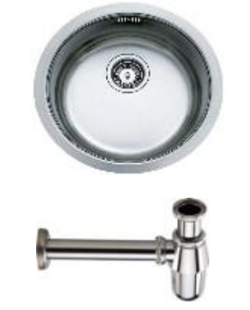
16 | Sink | Description: | Teka bowl insert sink c/w |  |  |  |  | No |  | 36
 |  |  | waste kits & 1 1/2" brass
 |  |  | chromed bottle trap
 |  |  | with 300mm overflow
 |  |  | pipe

 |  | Size: | 390mm x 180mm

 |  | Code
 |  | Sink: | Orion BE 39
 |  | Trap: | Orion BTP-BCP-38
 |  |  |  | *image serves as reference
 |  | Finish
 |  | Sink: | Stainless steel
 |  | Trap: | Chrome

17 | Tap | Description: | Wall-mounted spout, |  |  |  |  | No |  | 30
 |  |  | 1/2" connections with
 |  |  | separate control.
 |  |  | Projection 211 mm.
 |  |  | External parts for 1/2"
 |  |  | built-in stop valve with
 |  |  | built-in part for stop | *image serves as reference
 |  |  | valve.

 |  | Code: | Gessi 09109.031
 |  |  | Gessi 31266.031
 |  |  | Gessi 31203.031

 |  | Finish: | 031 Chrome

 |  | Origin: | Italy

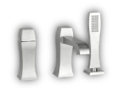
18 | Bath Mixer | Description: | Three-hole bath mixer |  |  |  |  | No |  | 309
 |  |  | with diverter in the spout,
 |  |  | 1.50 m flexible hose and
 |  |  | pull-out antilimestone
 |  |  | handshower

 |  | Code: | Gessi 31137.080
 |  |  |  | *image serves as reference
 |  | Finish: | 080 Gold CCP

 |  | Origin: | Italy

19 | Basin Mixer | Description: | Ceiling-mounted spout, |  |  |  |  | No |  | 36
 |  |  | length on request (min 130
 |  |  | max 1880 mm) with
 |  |  | external parts for built-in
 |  |  | mixer, with 1/2"
 |  |  | connections, Ø35
 |  |  | cartridge, one-way,
 |  |  | built-in part for one-way
 |  |  | mixer.

 |  | Code: | Gessi 31209.080
 |  |  | Gessi 13312.031
 |  |  | Gessi 31105.080

 |  | Finish: | 080 Gold

 |  | Origin: | Italy

 |  |  |  | *image serves as reference

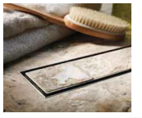
20 | Floor Trap | Description: | Aco 'tile' stainless steel |  |  |  |  | No |  | 313
 |  |  | shower channel of

 |  | Dimension: | Cut to size

 |  |  |  | *image serves as reference

21 | Floor Trap | Description: | Squareflo #SQ101 floor
 |  |  | trap

 |  | Code: | #SQ101

 |  | Dimension: | 130mm x 130mm

 |  |  |  |  |  | same items

 |  |  |  | *image serves as reference

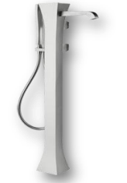
22 | Freestanding | Description: | External parts for |  |  |  |  | No |  | 4
 | bath mixer |  | freestanding external
 |  |  | bath mixer with
 |  |  | handshower and built-in
 |  |  | part for freestanding
 |  |  | bath mixer.

 |  | Code: | Gessi 24974.080
 |  |  | Gessi 24973.031

 |  | Finish: | 080 Gold CCP

 |  | Origin: | Italy | *image serves as reference

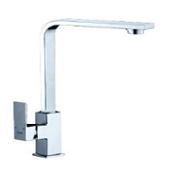
23 | Pillar sink tap | Description: | Brass chromed lever |  |  |  |  | No |  | 6
 |  |  | handle pillar sink tap with
 |  |  | swivel spout, quarter-turn
 |  |  | ceramic cartridge and
 |  |  | anti-splash soft-flow
 |  |  | aerator.

 |  | Code: | Orion ME64952

 |  | Finish: | Chrome
 |  |  |  | *image serves as reference

24 | Grab bar | Description: | Sonia grab bar |  |  |  |  | No |  | 345

 |  | Code: | #118175

 |  | Dimension: | 600mm

 |  | Finish: | Stainless steel
 |  |  |  | *image serves as reference

25 | Make up | Description: | Square wall-mounted |  |  |  |  | No |  | 314
 | Mirror |  | cosmetic mirror with LED
 |  |  | light(8"x8").

 |  | Code: | Orion 41108

 |  | Dimension: | 325mm(L) X 307mm(H)
 |  |  |  | *image serves as reference
 |  | Features: | 3x magnification

 |  | Finish: | Chrome

26 | Accessories | Description: | TIssuance and accessories |  |  |  |  | No |  | 317
 |  |  | box. Ceramic with hand
 |  |  | painted detaling 'jewel
 |  |  | like'

 |  |  |  | *image serves as reference

27 | Shower
 | Screen
 | Ironmongery

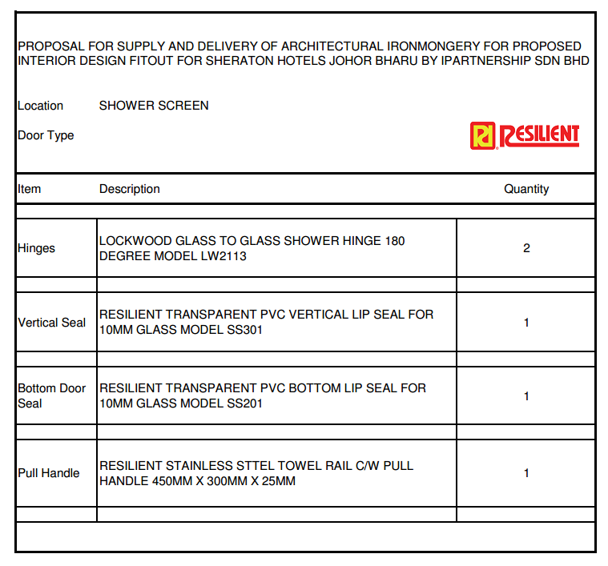

 |  |  |  |  |  |  |  | No |  | 1,252

 |  |  |  |  |  |  |  | No |  | 626

 |  |  |  |  |  |  |  | No |  | 626

 |  |  |  |  |  |  |  | No |  | 626

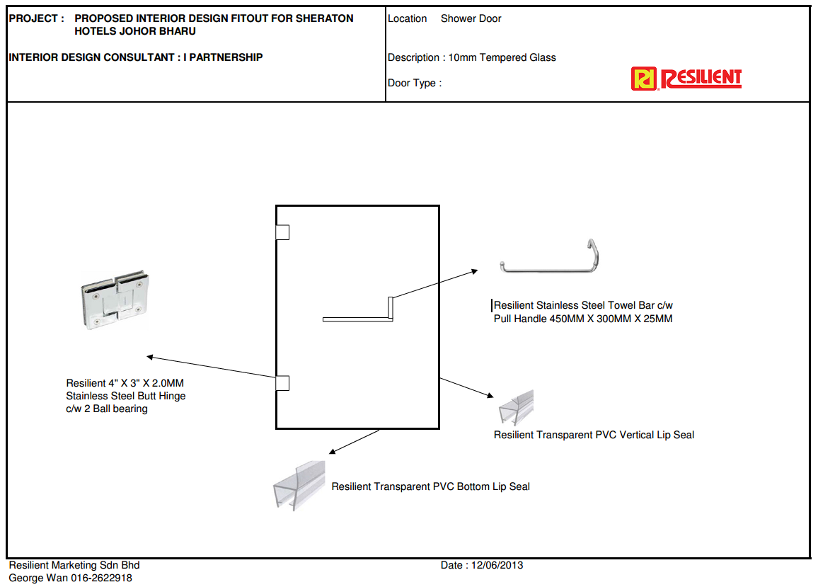

 |  |  |  |  |  |  |  | No |  | 626

28 | Basin | Description: | Kohler #K-14223 Caravan |  |  |  |  |  |  | 16
 |  |  | Collection Persia on
 |  |  | conical bell above
 |  |  | counter basin

 |  | Diameter: | 413mm

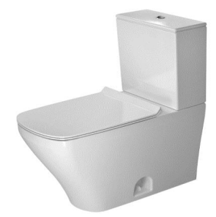
29 | WC | Description: | Duravit #216001 |  |  |  |  |  |  | 16
 |  |  | Durastyle 2-pc WC with
 |  |  | seat and cover set

 |  | Cistern: | 3 litres and 6 litres

 |  | Flush system: | Dual flush system

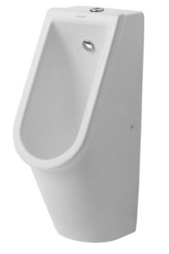
30 | Urinal | Description: | Duravit # 082625 Stark 3 |  |  |  |  |  |  | 11
 |  |  | wall mounted urinal
 |  |  | bowl with visible inlet,
 |  |  | inlet spud, ceramic
 |  |  | cover for waste, bottle
 |  |  | trap and fixings

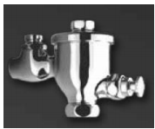
 |  | Flush valve: | Rigel #FU-102P Urinal
 |  |  | touch flush valve,
 |  |  | exposed type (push
 |  |  | button)

 |  | Litres per
 |  | flush: | 1.5 litres

31 | Basin | Description: | Duravit #075150 Starck 3 |  |  |  |  |  |  | 2
 |  |  | wall mounted handrinse
 |  |  | basin with fischer bolts

 |  | Dimension: | 500mm x 260mm

 |  | Bottle trap: | 1-1/4" chrome plated
 |  |  | brass basin bottle trap

 |  |  |  | *image serves as reference

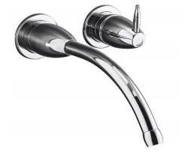
32 | Basin Mixer | Description: | Kohler #K-210T-CP |  |  |  |  |  |  | 16
 |  |  | Falling Water wall mount
 |  |  | lavatory faucet

 |  | Bottle trap: | 1-1/4" chrome plated
 |  |  | brass basin bottle trap

33 | Hand Bidet | Description: | Kottman Shattaf set with |  |  |  |  |  |  | 16
 |  |  | handspray, flexible hose,
 |  |  | wall bracket and square
 |  |  | angle valve complete
 |  |  | set

34 | Toilet Roll | Description: | Toilet paper roll holder |  |  |  |  |  |  | 16
 | Holder |  | with cover

 |  | Code: | Orion DP6910

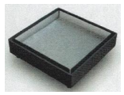
35 | Floor Trap | Description: | Squareflo #SQ101 floor |  |  |  |  | No |  | 662
 |  |  | trap

 |  | Code: | #SQ101

 |  | Dimension: | 130mm x 130mm
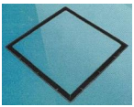

 |  |  |  | *image serves as reference

36 | Soap | Description: | Soap dispenser |  |  |  |  |  |  | 4
 | Dispenser
 |  | Code: | Orion DP6909

 |  |  |  | *image serves as reference

37 | Hand Dryer | Description: | Automatic hand dryer |  |  |  |  |  |  | 4
 |  |  | SU304 stainless steel
 |  |  | satin finish

 |  | Code: | Oirion HK-1800SRA

 |  |  |  | *image serves as reference

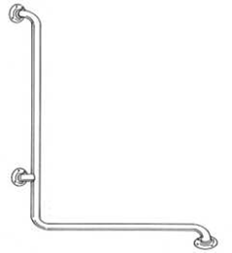
38 | Grab Bar | Description: | Rigel #GB-21 L shaped |  |  |  |  |  |  | 2
 |  |  | grab bar in stainless steel
 |  |  | finish

 |  |  |  | *image serves as reference

39 | Grab bar | Description: | Rigel #GB-800 Swing up |  |  |  |  |  |  | 2
 |  |  | grab bar in stainless
 |  |  | steel finish

 |  |  |  | *image serves as reference

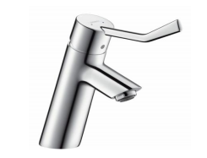
40 | Basin Mixer | Description: | Hansgrohe #32035 Talis |  |  |  |  |  |  | 2
 |  |  | single lever basin mixer
 |  |  | with extra long handle
 |  |  | and pop-up waste

 |  | Bottle trap: | 1-1/4" chrome plated
 |  |  | brass basin bottle trap

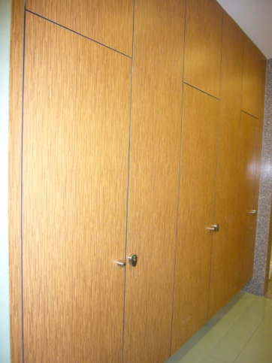
41 | Cubical | Description: | Ceiling hung cubical
 | System |  | system

 |  | Series: | Monitor with fixed panel
 |  |  | above door

 |  | Standard
 |  | cubical size: | 900mm(W) x 1800mm(D)
 |  |  | x 2800mm (H)

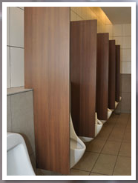
 |  | Door size: | 600mm x 1800mm

 |  | Intermediate
 |  | Pilaster: | 300mm x 2550mm

 |  | End pilaster: | 150mm x 2550mm

 |  | Dividing
 |  | panel: | 1800mm x 1800mm

 |  | Urinal panel: | Wall mounted urinal

 |  | Dimension: | 450mm(W) x 1200mm(H)

 |  | Laminate: | Formica UN Silent Walnut
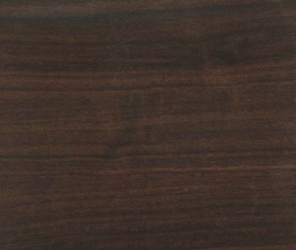

 |  | Ironmongeries: | A114 stainless steel gravity
 |  |  | hinges
 |  |  | A108 stainless steel
 |  |  | indicator bolt
 |  |  | A127 stainless steel L-
 |  |  | bracket
 |  |  | A111 Stainless steel coat
 |  |  | hook cum door step

A |  |  | 10MM THICK TEMPERED GLASS SHOWER SCREEN WALL COMPLETE WITH SETTING BLOCK, SILICONE SEALANT |  |  |  |  |  | m2 | 2,218

B |  |  | 20MM THICK 'AL ROYAL CREAM OR OTHER EQUAL AND POLISHED MARBLE TO BATH APRON OVERALL SIZE 2500MM X 1195MM X 600MM HIGH WITH 2 NOS TREAD OF STEPS INCL. CONCRETE SUPPORT, APPROVED SUB FRAME, BRACKETS FOR BATH TUB MOUNTING, MARINE PLYQOOD BACKING WITH TIMBER STUD, ACCESSORIES AND SEALED WITH APPROVED SEALANT COMPLETE WITH 300MM X 600MM ACCESS PANEL |  |  |  |  |  | No | 2
C |  |  | 20MM THICK 'AL ROYAL CREAM OR OTHER EQUAL AND POLISHED MARBLE TO BATH APRON OVERALL SIZE 1700MM X 1195MM X 540MM HIGH INCL. CONCRETE SUPPORT, APPROVED SUB FRAME, BRACKETS FOR BATH TUB MOUNTING, MARINE PLYQOOD BACKING WITH TIMBER STUD, ACCESSORIES AND SEALED WITH APPROVED SEALANT COMPLETE WITH 300MM X 600MM ACCESS PANEL |  |  |  |  |  | No | 307

 |  |  |  |  |  |  |  |  |  | 13,191

